Questions
SFDC Fundamentals
 | When should you use a lookup instead of a master-detail relationship? What happens to master-detail and lookup relationships when a record is deleted? | In a master-detail relationship, all the details are deleted when the master record is deleted. However, in a lookup relationship, the child record remains even when the parent record is deleted.
 | What do you mean by governor limits? | They help to ensure that no one monopolizes the shared resources (Storage, CPU, Memory). Here are some few examples of governor limits in Salesforce: Maximum CPU time on the Salesforce servers - 10,000ms Total number of sendEmail methods allowed - 10 Total number of records retrieved by a SOQL query - 50,000 Total number of callouts in a transaction - 100
 | What are some things that you can do to prevent governor limits? | Bulkify your Code Use @future Appropriately Don’t make any SOQL, DML operation inside a loop Queue large datasets Use batch apex for more than 50,000 records
 | What do you mean by a sandbox in Salesforce? | Developer Sandbox - It contains a copy of the production org’s metadata and is intended for both development and testing in an isolated environment. Developer Pro Sandbox - It performs the same function as the developer sandbox, but can contain larger datasets. Partialcopy sandbox - It is intended to be used only as a testing environment. It contains a sample of the production org’s data and its metadata. Full sandbox - It is intended to be used only as a testing environment. It contains all the data of the production org, including objects, attachments and metadata.
 | What are the advantages of using External Id fields? | Certain fields can be defined as an external ID on an object. These can be used in order to match up data from external systems with a unique reference ID. For example, if you need to match up data from an external accounting system to the Accounts in Salesforce, you can use an external ID field to reference the Accounting system’s unique ID instead of the Salesforce ID.
 | What is an Apex transaction? | An Apex transaction represents a set of operations that are executed as a single unit. The operations here include the DML operations which are responsible for querying records. All the DML operations in a transaction either complete successfully, or if an error occurs even in saving a single record, then the entire transaction is rolled back.

 | Describe a use case when you’d control permissions through each of the following: – Profiles – Roles – Permission Sets – Sharing Rules | 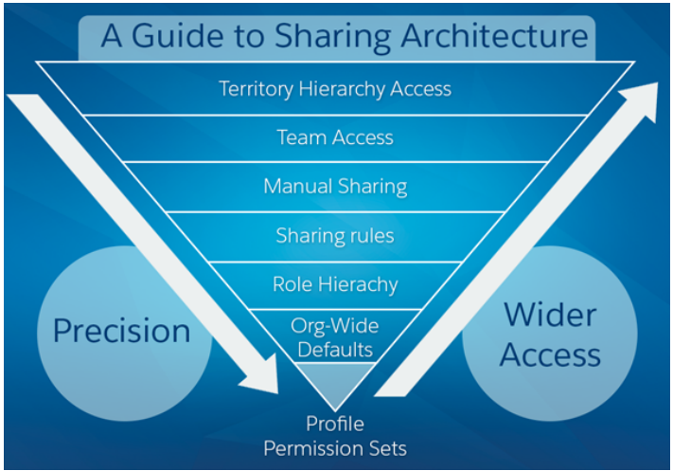

 | Explain types of data skews - Account Skew, Ownership Skew and Lookup Skew | https://dineshyadav.com/salesforce-architect-interview-questions/

Declarative Tools
 | When to use Process, Workflow and Apex Triggers?
 | What is the function of Organization-Wide Sharing Defaults
 | Provide an example of when a Custom Setting would be used during development. | Changing values in organization or system. --- for example, the threshold for high value opportunity changes from quarter to quarter.
 | Difference between Custom Settings and Custom Metadata types | •Custom metadata does not support hierarchy type of data based on user profile or a specific user. •Custom settings data cannot be deployed using packages or metadata API/Change Sets. •Custom settings do not support relationship fields. •Custom setting data is not visible in test classes whereas metadata types are visible in test class without the “SeeAllData” annotation. •Custom metadata records are deployable and packageable, but Custom setting data is not.
 |  | https://sfdcgenius.com/difference-between-custom-settings-and-custom-metadata-types/
 | Custom Permissions | https://www.mstsolutions.com/technical/custom-permissions-in-salesforce/
Apex
 | How can you edit apex classes in a production environment? | You cannot edit apex classes directly in a production environment. It needs to be first done in the sandbox, then deployed in production where a user with Author Apex permission can make the changes.
 | Types of Collections in Apex and their differences. | Lists – A list is an ordered collection of elements that are distinguished by their indices. List elements can be of any data type—primitive types, collections, sObjects, user-defined types, and built-in Apex types. Sets – A set is an unordered collection of elements that do not contain any duplicates. Set elements can be of any data type—primitive types, collections, sObjects, user-defined types, and built-in Apex types. Maps – A map is a collection of key-value pairs where each unique key maps to a single value. Keys and values can be any data type—primitive types, collections, sObjects, user-defined types, and built-in Apex types.
 | How can you perform asynchronous operations in Apex? When would you use the @future annotation? How to achieve this - Make a call to Order Management System, once you receive a response, make a call to Shipping Management System with the order# received. | Difference between Queuable and Future.
 | Batch class | Difference between Iterable and QueryLocator Iterable -> easy access to object. E.g. Account a = obj.Name 50,000 records Querylocator -> obj.put(fieldName, Value) 50 million records
 |  | Difference between Stateful and Stateless
 | How to write a test method for Batch class
 | What is the System.assert method and when is it commonly used?
 | Describe the benefits of the “One Trigger per Object” design pattern.

 | List three different tools that can be used when deploying code. | Changeset, ANT, VS Code, Workbench
Aura Components
 | Component structure. How many files are there? | Component (HTML Markup), Controller (JS), Helper (JS)
 | Types of events. | Component events Child to Parent Application events - publish subscribe model Two unrelated components can communicate through this.
 | What are the steps to invoke Apex method from the component? | Create an apex method. Mark it with @AuraEnabled Define controller name in Component // Create the action let action = component.get("c.getExpenses"); // Add callback behavior for when response is received action.setCallback(this, function(response) { let state = response.getState(); if (state === "SUCCESS") { component.set("v.expenses", response.getReturnValue()); } else { console.log("Failed with state: " + state); } }); // Send action off to be executed $A.enqueueAction(action);
 | Difference between let and var keywords in JavaScript
 | How to create a component that can be used as a global action?
LWC
 | Component structure | HTML Template file and JS file
 | What is the difference between Aura Components and LWC components
 | Can we use multiple templates?
 | Wire property
 | Invoke method without wire.
 | Can we use LWC in global action?
 | Can we use LWC within an aura component?

Visualforce Pages
 | What does the View State represent in a Visualforce page?
 | Describe ways to invoke asynchronous functions in VF
 | When should an Extension be used instead of a Custom Controller?
 | Describe a use case for Static Resource

